About Normalization
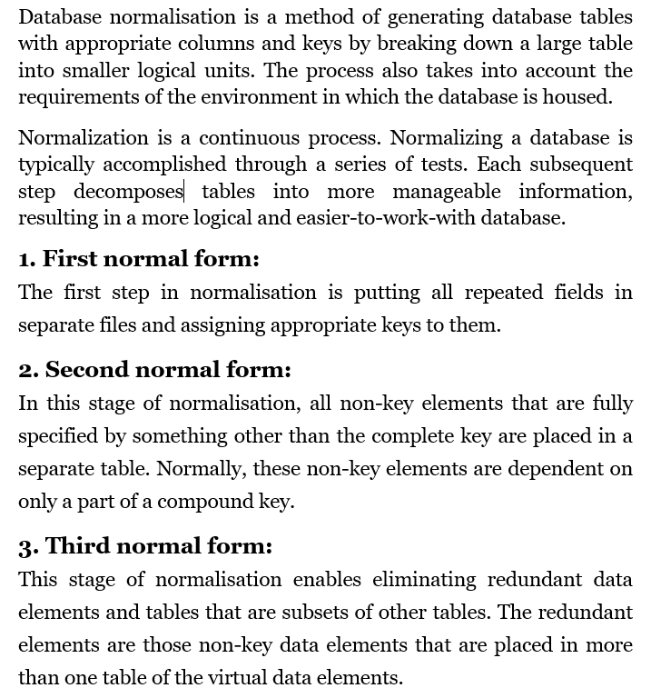
What is Normalization?

Sheet1
Hospital Management Project

Story:
It records all the information about hospital and patient. The project is totally build and administrative and thus only the administrator is guaranteed the access.

ERR Diagram
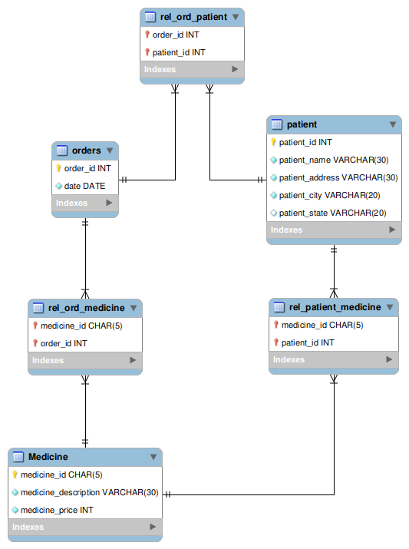
ERR diagram

